Sheet1
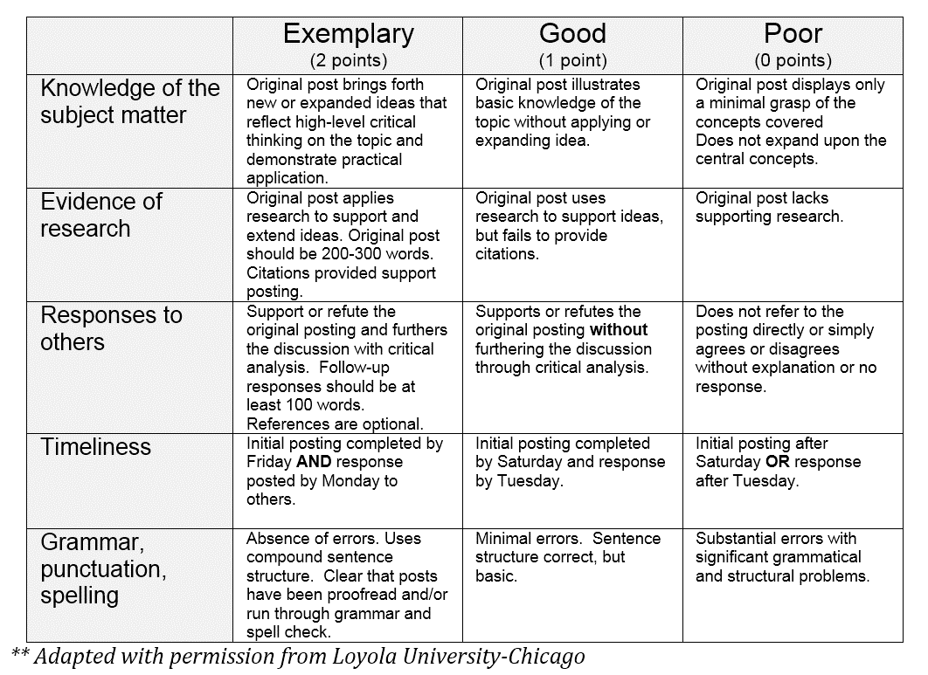
Cumulative individual participation to date

Rubric criterion (mark range) | Unit
 | Week 1 | Week 2 | Weeks 3 & 4 | Weeks 5, 6 & 7 | Weeks 8, 9 & 10 | Week 11 | Week 12 | Weeks 13 & 14
Knowledge of the subject matter (0-2)
Evidence of research (0-2)
Responses to others (0-2)
Timeliness (0-2)
Grammar, punctuation, spelling (0-2)

Total from rubric criterion points per unit | 0 | 0 | 0 | 0 | 0 | 0 | 0 | 0 | 0

Cumulative individual participation from 20 | 0.000

