Sheet1
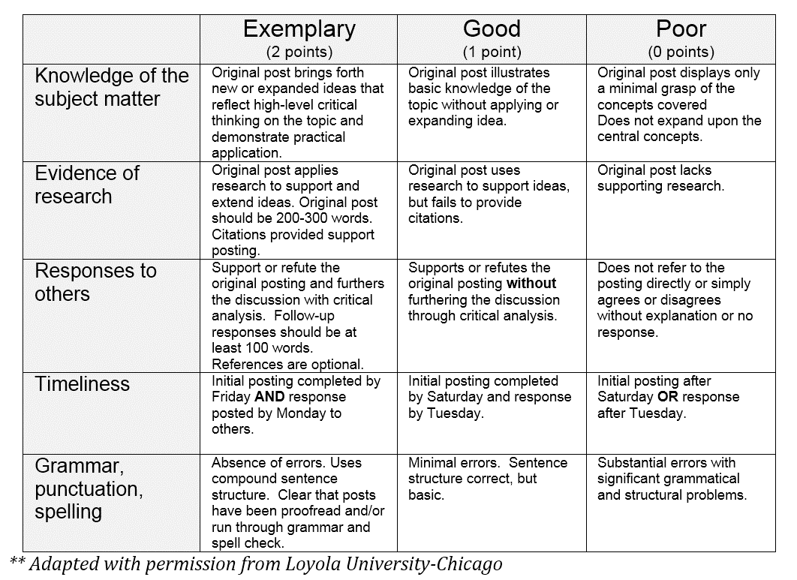
Cumulative individual participation to date

Rubric criterion (mark range)
 | Week 1 | Weeks 2-3 | Week 4 | Week 6 | Week 7 | Week 8 | Week 9 | Week 12 | Week 13
Knowledge of the subject matter (0-2)
Evidence of research (0-2)
Responses to others (0-2)
Timeliness (0-2)
Grammar, punctuation, spelling (0-2)

Total from rubric criterion points per unit | 0 | 0 | 0 | 0 | 0 | 0 | 0 | 0 | 0

Total mark from 2.222 marks per unit | 0 | 0 | 0 | 0 | 0 | 0 | 0 | 0 | 0

Cumulative individual participation from 20 | 0

